Sheet1
Plasma Asta content
Treatment | Asata_plasma_fish1 | Asta_plasma_fish2
Control | 6.76 | 3.48 | 9.81 | 4.74 | 5.34 | 3.55
Cholesterol | 21.32 | 7.27 | 8.24 | 10.7 | 6.98 | 10.09
Phytosterol | 1.32 | 8.48 | 4.85 | 4.91 | 6.27 | 5.96
DHA | 11.73 | 4.99 | 5.08 | 8.04 | 6.5 | 5.98

 | average | stdev
Control | 5.6133333333 | 2.3905118002
Cholesterol | 10.766666667 | 5.3811659208
Phytosterol | 5.2983333333 | 2.353035628
DHA | 7.0533333333 | 2.5477179331

 | Plasma_asta
Control | 6.76
Cholesterol | 21.32
Phytosterol | 1.32
DHA | 11.73
Control | 3.48
Cholesterol | 7.27
Phytosterol | 8.48
DHA | 4.99
Control | 9.81
Cholesterol | 8.24
Phytosterol | 4.85
DHA | 5.08
Control | 4.74
Cholesterol | 10.7
Phytosterol | 4.91
DHA | 8.04
Control | 5.34
Cholesterol | 6.98
Phytosterol | 6.27
DHA | 6.5
Control | 3.55
Cholesterol | 10.09
Phytosterol | 5.96
DHA | 5.98

General Anova
variable | Sum Sq | Mean Sq | F value | P value | Duncan Post hoc | variable | rn | value | groups | Tukey Posthoc | variable | rn | value | groups

Color (mg/kg) | 5.70E+00 | 1.90E+00 | 1.0381169 | 0.4264 | 1 | Color (mg/kg) | Cholesterol | 11.5 | a | 1 | Color (mg/kg) | Cholesterol | 11.5 | a
Fat (%) | 2.01E+00 | 6.70E-01 | 0.4012315 | 0.7561 | 2 | Color (mg/kg) | DHA | 11.4666667 | a | 2 | Color (mg/kg) | DHA | 11.4666667 | a
FCR | 1.56E-02 | 5.20E-03 | 9.6442335 | 0.0070 | 3 | Color (mg/kg) | Phytosterol | 10.6 | a | 3 | Color (mg/kg) | Phytosterol | 10.6 | a
SGR (%/day) | 1.20E-01 | 4.00E-02 | 1.2186789 | 0.3641 | 4 | Color (mg/kg) | Control | 9.8333333 | a | 4 | Color (mg/kg) | Control | 9.8333333 | a
SFI (%/day) | 1.18E-01 | 3.93E-02 | 1.7283842 | 0.2382 | 5 | Fat (%) | Cholesterol | 13.9666667 | a | 5 | Fat (%) | Cholesterol | 13.9666667 | a
WB_Asta | 3.84E+00 | 1.28E+00 | 1.27757 | 0.3461 | 6 | Fat (%) | Phytosterol | 13.1333333 | a | 6 | Fat (%) | Phytosterol | 13.1333333 | a
WB_Protein | 1.30E+01 | 4.33E+00 | 0.2651415 | 0.8487 | 7 | Fat (%) | DHA | 13.1 | a | 7 | Fat (%) | DHA | 13.1 | a
WB_Fat | 3.43E+01 | 1.14E+01 | 0.5207709 | 0.6798 | 8 | Fat (%) | Control | 12.9 | a | 8 | Fat (%) | Control | 12.9 | a
Asta_ADC | 6.19E+00 | 2.06E+00 | 1.8853462 | 0.2105 | 9 | FCR | Phytosterol | 1.0081407 | a | 9 | FCR | Phytosterol | 1.0081407 | a
Protein_ADC | 2.97E+00 | 9.89E-01 | 3.8639368 | 0.0561 | 10 | FCR | Cholesterol | 1.0023073 | a | 10 | FCR | Cholesterol | 1.0023073 | a
Fat ADC | 3.24E+01 | 1.08E+01 | 37.7395595 | 0.0000 | 11 | FCR | DHA | 0.9309081 | b | 11 | FCR | DHA | 0.9309081 | b
Asta_retention | 1.67E+01 | 5.56E+00 | 1.6005244 | 0.2734 | 12 | FCR | Control | 0.9289479 | b | 12 | FCR | Control | 0.9289479 | b
 |  |  |  |  | 13 | SGR (%/day) | Cholesterol | 1.3111157 | a | 13 | SGR (%/day) | Cholesterol | 1.3111157 | a
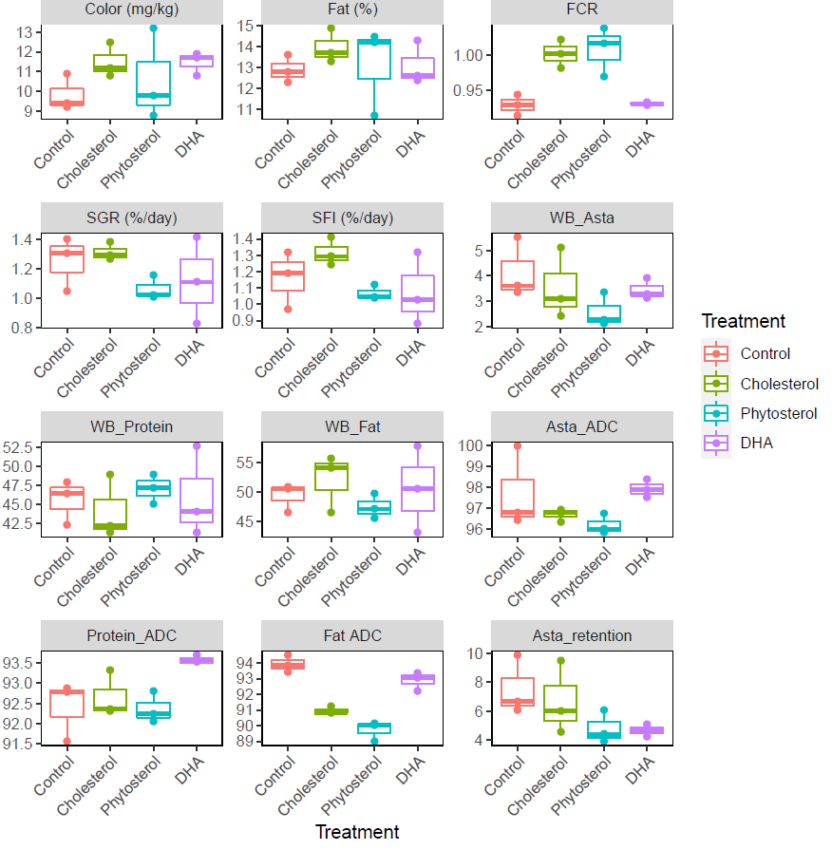
 |  |  |  |  | 14 | SGR (%/day) | Control | 1.2498864 | a | 14 | SGR (%/day) | Control | 1.2498864 | a
 |  |  |  |  | 15 | SGR (%/day) | DHA | 1.11564 | a | 15 | SGR (%/day) | DHA | 1.11564 | a
 |  |  |  |  | 16 | SGR (%/day) | Phytosterol | 1.0620494 | a | 16 | SGR (%/day) | Phytosterol | 1.0620494 | a
 |  |  |  |  | 17 | SFI (%/day) | Cholesterol | 1.3149299 | a | 17 | SFI (%/day) | Cholesterol | 1.3149299 | a
 |  |  |  |  | 18 | SFI (%/day) | Control | 1.1615161 | a | 18 | SFI (%/day) | Control | 1.1615161 | a
 |  |  |  |  | 19 | SFI (%/day) | DHA | 1.0760875 | a | 19 | SFI (%/day) | DHA | 1.0760875 | a
 |  |  |  |  | 20 | SFI (%/day) | Phytosterol | 1.0687486 | a | 20 | SFI (%/day) | Phytosterol | 1.0687486 | a
 |  |  |  |  | 21 | WB_Asta | Control | 4.1566667 | a | 21 | WB_Asta | Control | 4.1566667 | a
 |  |  |  |  | 22 | WB_Asta | Cholesterol | 3.5433333 | a | 22 | WB_Asta | Cholesterol | 3.5433333 | a
 |  |  |  |  | 23 | WB_Asta | DHA | 3.4466667 | a | 23 | WB_Asta | DHA | 3.4466667 | a
 |  |  |  |  | 24 | WB_Asta | Phytosterol | 2.57 | a | 24 | WB_Asta | Phytosterol | 2.57 | a
 |  |  |  |  | 25 | WB_Protein | Phytosterol | 47.1 | a | 25 | WB_Protein | Phytosterol | 47.1 | a
 |  |  |  |  | 26 | WB_Protein | DHA | 46.0333333 | a | 26 | WB_Protein | DHA | 46.0333333 | a
 |  |  |  |  | 27 | WB_Protein | Control | 45.6 | a | 27 | WB_Protein | Control | 45.6 | a
 |  |  |  |  | 28 | WB_Protein | Cholesterol | 44.2 | a | 28 | WB_Protein | Cholesterol | 44.2 | a
 |  |  |  |  | 29 | WB_Fat | Cholesterol | 52.0666667 | a | 29 | WB_Fat | Cholesterol | 52.0666667 | a
 |  |  |  |  | 30 | WB_Fat | DHA | 50.4666667 | a | 30 | WB_Fat | DHA | 50.4666667 | a
 |  |  |  |  | 31 | WB_Fat | Control | 49.3 | a | 31 | WB_Fat | Control | 49.3 | a
 |  |  |  |  | 32 | WB_Fat | Phytosterol | 47.4333333 | a | 32 | WB_Fat | Phytosterol | 47.4333333 | a
 |  |  |  |  | 33 | Asta_ADC | DHA | 97.9412769 | a | 33 | Asta_ADC | DHA | 97.9412769 | a
 |  |  |  |  | 34 | Asta_ADC | Control | 97.7421444 | a | 34 | Asta_ADC | Control | 97.7421444 | a
 |  |  |  |  | 35 | Asta_ADC | Cholesterol | 96.7110779 | a | 35 | Asta_ADC | Cholesterol | 96.7110779 | a
 |  |  |  |  | 36 | Asta_ADC | Phytosterol | 96.2050157 | a | 36 | Asta_ADC | Phytosterol | 96.2050157 | a
 |  |  |  |  | 37 | Protein_ADC | DHA | 93.5949916 | a | 37 | Protein_ADC | DHA | 93.5949916 | a
 |  |  |  |  | 38 | Protein_ADC | Cholesterol | 92.6654709 | ab | 38 | Protein_ADC | Cholesterol | 92.6654709 | a
 |  |  |  |  | 39 | Protein_ADC | Control | 92.4020276 | b | 39 | Protein_ADC | Control | 92.4020276 | a
 |  |  |  |  | 40 | Protein_ADC | Phytosterol | 92.3661742 | b | 40 | Protein_ADC | Phytosterol | 92.3661742 | a
 |  |  |  |  | 41 | Fat ADC | Control | 93.9402436 | a | 41 | Fat ADC | Control | 93.9402436 | a
 |  |  |  |  | 42 | Fat ADC | DHA | 92.8975783 | b | 42 | Fat ADC | DHA | 92.8975783 | a
 |  |  |  |  | 43 | Fat ADC | Cholesterol | 90.9693583 | c | 43 | Fat ADC | Cholesterol | 90.9693583 | b
 |  |  |  |  | 44 | Fat ADC | Phytosterol | 89.7171605 | d | 44 | Fat ADC | Phytosterol | 89.7171605 | b
 |  |  |  |  | 45 | Asta_retention | Control | 7.5547019 | a | 45 | Asta_retention | Control | 7.5547019 | a
 |  |  |  |  | 46 | Asta_retention | Cholesterol | 6.7235877 | a | 46 | Asta_retention | Cholesterol | 6.7235877 | a
 |  |  |  |  | 47 | Asta_retention | Phytosterol | 4.8035136 | a | 47 | Asta_retention | Phytosterol | 4.8035136 | a
 |  |  |  |  | 48 | Asta_retention | DHA | 4.658482 | a | 48 | Asta_retention | DHA | 4.658482 | a

